Zomato_Sales_Dashboard
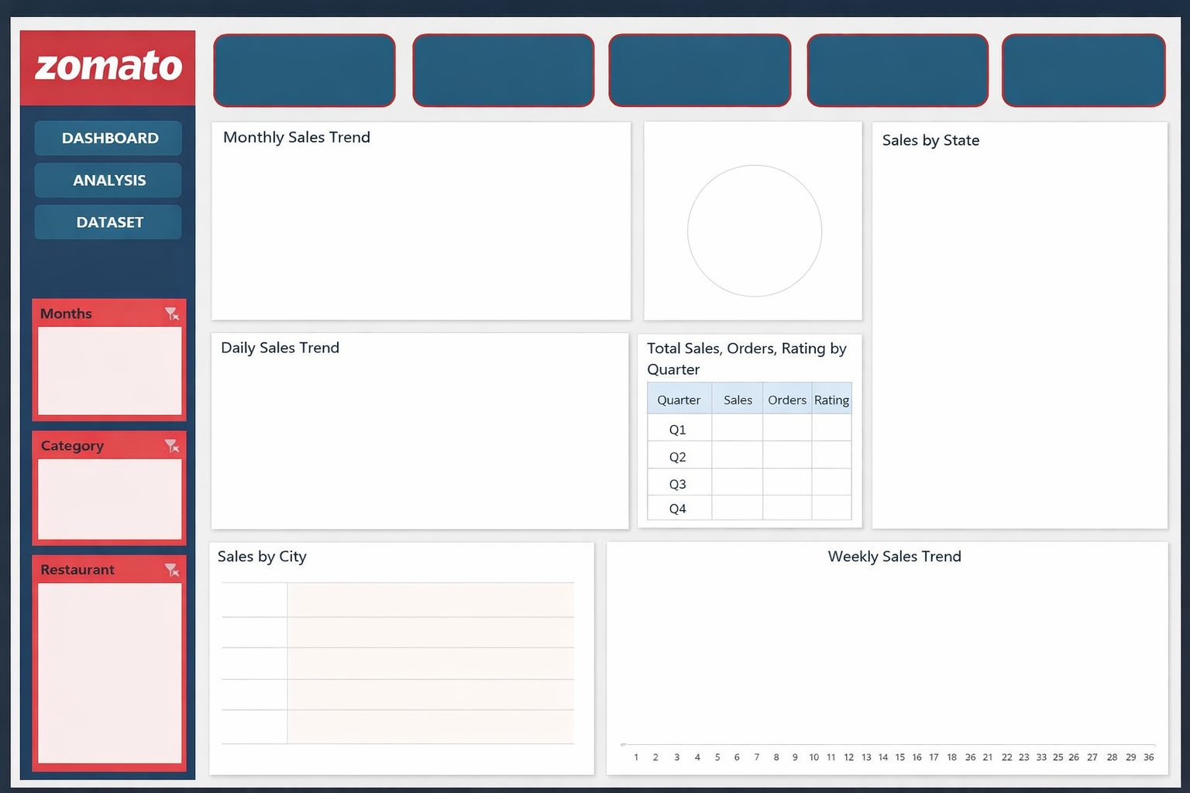

Total Sales
Avg Order Value
Total Orders
Rating Count
Avg Rating
₹29929.2
₹299.29
100
100
4.30

MONTHLY SALES TREND
 | Total
Jan | 4791.81
Feb | 3560.99
Mar | 2914.76
Apr | 3459.34
May | 6492.97
Jun | 3680.2
Jul | 3044.32
Aug | 1984.81
VEG VS NON-VEG
 | Total
Non-Veg | 15441.6
Veg | 14487.6
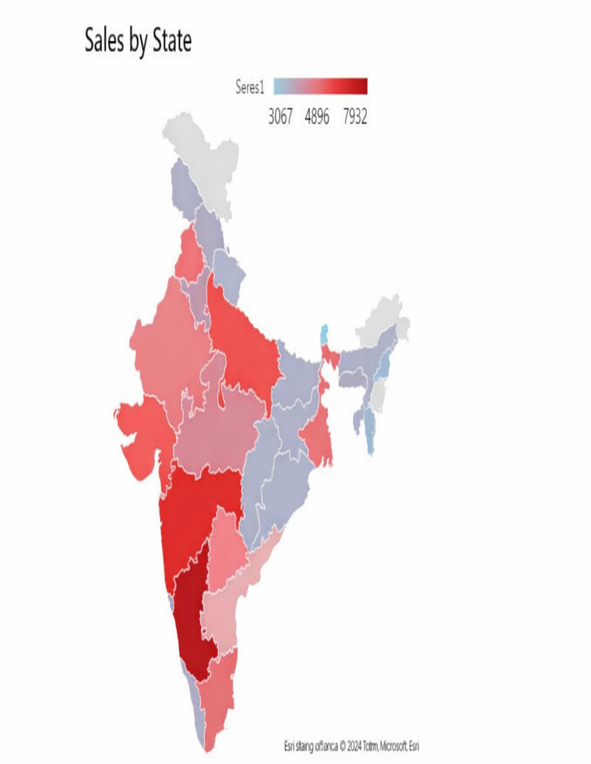

DAILY SALES TREND
 | Total
Sunday | 5446.36
Monday | 2712.64
Tuesday | 4120.96
Wednesday | 3641.99
Thursday | 4476.56
Friday | 5599.54
Saturday | 3931.15
Category Wise Analysis
 | Sum of Sales_Amount | Average of Rating | Count of Order_ID
Beverages | 5193.12 | 4.334375 | 16
Chinese | 6491.38 | 4.3454545455 | 22
Desserts | 5404.31 | 4.0942105263 | 19
Fast Food | 4045.21 | 4.4546153846 | 13
North Indian | 4727.8 | 4.3752941176 | 17
South Indian | 4067.38 | 4.2369230769 | 13

Sales By City
 | Total
Delhi | 3067.91
Mumbai | 3798.02
Kolkata | 3911.42
Pune | 4134.28
Bengaluru | 3981.76
Chennai | 3617.07
Hyderabad | 4896.06
Lucknow | 2522.68
WEEKLY SALES TREND
 | Total
2 | 900.65
3 | 179.94
4 | 1008.91
5 | 778.52
6 | 1923.79
7 | 1208.12
8 | 606.39
9 | 1558.52
10 | 683.37
11 | 182.82
12 | 487.03
13 | 1131.5
14 | 982.65
15 | 833.13
17 | 1661.26
18 | 600.3
19 | 392.95
20 | 1223.4
21 | 2595.74
22 | 1762.54
23 | 1364.04
24 | 1629.92
25 | 320.08
26 | 365.49
27 | 931.91
28 | 291.37
29 | 1071.13
30 | 620.4
31 | 648.52
32 | 161.25
33 | 827.93
34 | 995.63

Weekly analysis
Row Labels | Sum of Sales_Amount
2 | 900.65
3 | 179.94
4 | 1008.91
5 | 778.52
6 | 1923.79
7 | 1208.12
8 | 606.39
9 | 1558.52
10 | 683.37
11 | 182.82
12 | 487.03
13 | 1131.5
14 | 982.65
15 | 833.13
17 | 1661.26
18 | 600.3
19 | 392.95
20 | 1223.4
21 | 2595.74
22 | 1762.54
23 | 1364.04
24 | 1629.92
25 | 320.08
26 | 365.49
27 | 931.91
28 | 291.37
29 | 1071.13
30 | 620.4
31 | 648.52
32 | 161.25
33 | 827.93
34 | 995.63
Grand Total | 29929.2

Day wise Analysis
Row Labels | Sum of Sales_Amount
Jan | 4791.81 | Row Labels | Sum of Sales_Amount
Feb | 3560.99 | Sunday | 5446.36
Mar | 2914.76 | Monday | 2712.64
Apr | 3459.34 | Tuesday | 4120.96
May | 6492.97 | Wednesday | 3641.99
Jun | 3680.2 | Thursday | 4476.56
Jul | 3044.32 | Friday | 5599.54
Aug | 1984.81 | Saturday | 3931.15
Grand Total | 29929.2 | Grand Total | 29929.2

Veg VS non veg
Row Labels | Sum of Sales_Amount
Non-Veg | 15441.6
Veg | 14487.6
Grand Total | 29929.2

State wise analysis


Row Labels | Sum of Sales_Amount
Delhi | 3067.91
Karnataka | 3981.76
Maharashtra | 7932.3
Tamil Nadu | 3617.07
Telangana | 4896.06
Uttar Pradesh | 2522.68
West Bengal | 3911.42
Grand Total | 29929.2

City Wise Analysis
Sales By City

Row Labels | Sum of Sales_Amount
Delhi | 3067.91
Mumbai | 3798.02
Kolkata | 3911.42
Pune | 4134.28
Bengaluru | 3981.76
Chennai | 3617.07
Hyderabad | 4896.06
Lucknow | 2522.68
Grand Total | 29929.2

Category Wise Analysis
Sum of Sales_Amount | Average of Rating | Count of Rating | Count of Order_ID |  |  |  | Row Labels | Sum of Sales_Amount | Average of Rating | Count of Order_ID
29929.2 | 4.30 | 100 | 100 |  |  |  | Beverages | 5193.12 | 4.334375 | 16
299.29 |  |  |  |  |  |  | Chinese | 6491.38 | 4.3454545455 | 22
 |  |  |  |  |  |  | Desserts | 5404.31 | 4.0942105263 | 19
 |  |  |  |  |  |  | Fast Food | 4045.21 | 4.4546153846 | 13
 |  |  |  |  |  |  | North Indian | 4727.8 | 4.3752941176 | 17
 |  |  |  |  |  |  | South Indian | 4067.38 | 4.2369230769 | 13
 |  |  |  |  |  |  | Grand Total | 29929.2 | 4.3011 | 100
Category Wise Analysis
 |  |  | Count of Order_ID | Average of Rating | Sum of Sales_Amount | Count of Rating
 |  |  | 100 | 4.30 | 29929.2 | 100
 |  |  | 299.292

